USER GUIDE
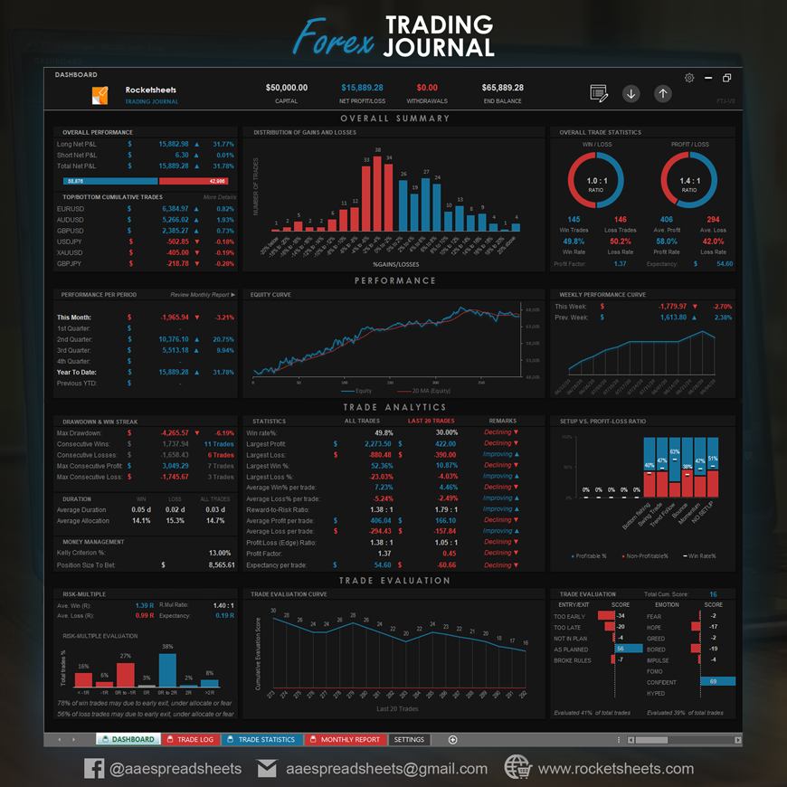
User Guide | Important Note: | Please enable macro to use this file. | To enable macro:
 | To view the Developer tab: |  | Go to Developer tab>>Macro Security>>Enable All Macro>>OK
 | Go to File>>Options>>Customize Ribbon>>Check Developer>>OK |  | >>Save>>Close the file>>Re-open the file | V.1.2

STEP 1:

Go to MT4 Account History tab, sort entry time column from old to new, right click and Save as Detailed Report

STEP 2:
Select All (Ctrl+A) and copy all data (Ctrl+C)

STEP 3:
Select DATA sheet, paste as value in the highligted cell, and click GENERATE

STEP 4:
Click COPY from RESULT sheet.

STEP 5:
Paste your trade data in your Trading Journal

You can check out the sample of our trading journal below, contact us or visit our website for more info.

DATA
GENERATE
CLEAR RESULT
PASTE DATA HERE : ***Right Click and PASTE AS VALUE or MATCH DESTINATION FORMAT***

RESULT
ACCOUNT STATEMENT
COPY
CLEAR
↓
↓
1 | Developed by AA Excel Spreadsheets, Forex MT4 Account Statement Converter v.0 (MT4AS.v0) |  |  |  |  |  |  |  |  |  |  | S5
2
3
4
5 | OPEN TIME | TYPE | SIZE | ITEM | ENTRY PRICE | S / L | T / P | CLOSE TIME | EXIT PRICE | TOTAL FEES | PROFIT / LOSS
6
7

