USER GUIDE
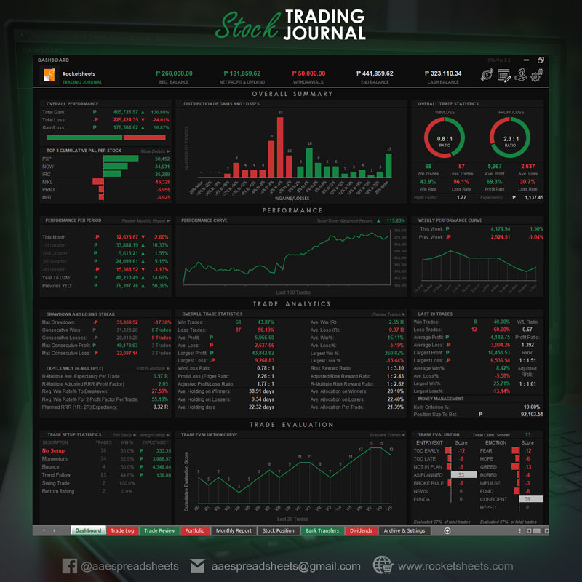
User Guide | Important Note: | Please enable macro to use this file. | To enable macro:
 | To view the Developer tab: |  | Go to Developer tab>>Macro Security>>Enable All Macro>>OK
 | Go to File>>Options>>Customize Ribbon>>Check Developer>>OK |  | >>Save>>Close the file>>Re-open the file | V.0

STEP 1:

Download you myTrade monthly ledger

STEP 2:
Go to "CONVERTER" sheet of this file and click "SELECT SOURCE FILE"

STEP 3:
Locate your ledger file and click "OK"
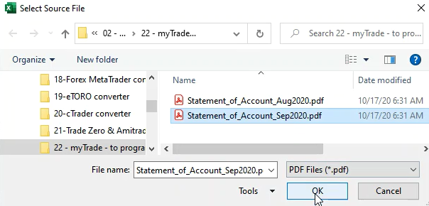

STEP 4:
Convertion done. Click COPY from CONVERTER sheet.

STEP 5:
Paste your trade data in your Trading Journal


You can check out the sample of our trading journal below, contact us or visit our website for more info.

CONVERTER
 | Developed by AA Excel Spreadsheets, myTrade Ledger Converter v.0
LEDGER CONVERTER
SELECT SOURCE FILE
COPY
CLEAR
 |  |  |  |  |  |  | E:\00-SPREADSHEET\02 - STOCK TRADING\19-eTORO converter\eToroAccountStatement-gagambatrader-01-04-2020-30-04-2020.xlsx
 |  |  |  |  |  |  | eToroAccountStatement-gagambatrader-01-04-2020-30-04-2020.xlsx
No. | DATE | STOCK | ACTION | PRICE | SHARES | FEES
1
2

 |  |  |  |  |  |  |  | *This version only extract buy ans sell transactions, for deposits and dividends
 |  |  |  |  |  |  |  | Please refer to your original ledger report.

